tab
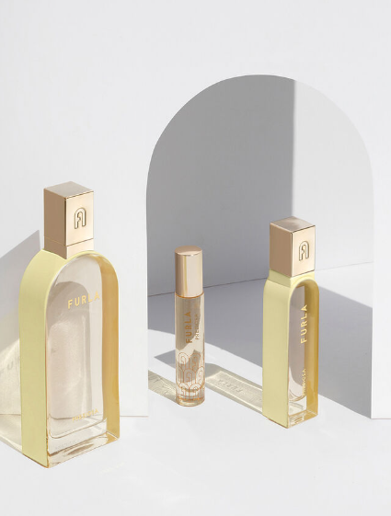
 | BRAND | DESCRIPTION | EAN | QTY | RETAIL
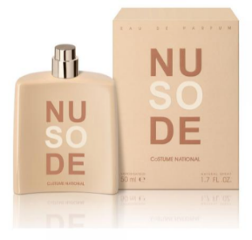 | Costume National | SO NUDE 50ML EDP Spray | 8034041521004 | 2,722 | € 99.00 | 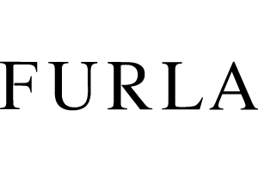
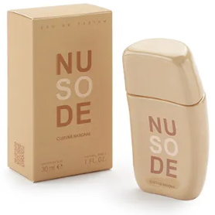 | Costume National | SO NUDE 30ML EDP Spray | 8034041521011 | 3,752 | € 66.00
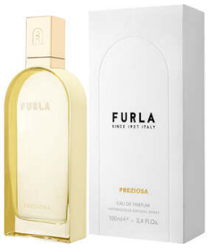 | Furla | FURLA PREZIOSA 100ML EDP Spray | 679602300315 | 1,321 | € 99.00
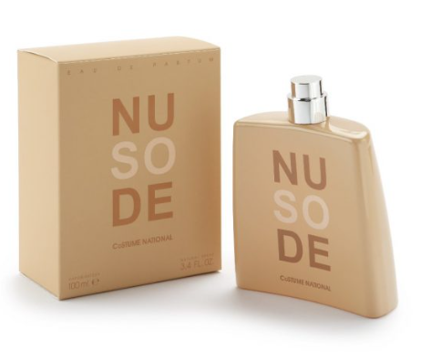
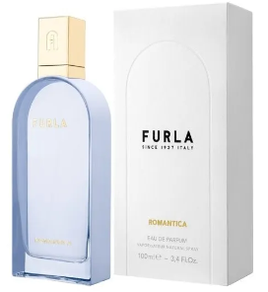 | Furla | FURLA ROMANTICA 100ML EDP Spray | 679602300216 | 652 | € 99.00
 |  |  |  | 8,447

